Sheet1
Question 1: Risk Analysis Table |  |  |  |  |  |  | Result
 |  | Consequence |  |  |  |  | Risk Type | Number of Activity
 |  | 1 | 3 | 5 | 7 | 9 | Very Low | 16 |  | 0 |  |  |  | Very Low | 16
Likelihood | 1 | 5 | 3 |  | 3 | 5 | Low | 12 | 7 | 16 | 16 |  |  | Low | 12
 | 3 | 1 | 3 | 3 | 6 | 5 | Moderate | 25 | 9 | 28 | 12 |  |  | Moderate | 25
 | 5 | 4 | 6 | 4 | 6 | 1 | High | 16 | 11 | 53 | 25 |  |  | High | 16
 | 7 |  | 6 |  | 5 | 4 | Very High | 18 | 13 | 69 | 16 |  |  | Very High | 18
 | 9 | 4 | 5 | 6 | 2 |  |  |  | 19 | 87 | 18

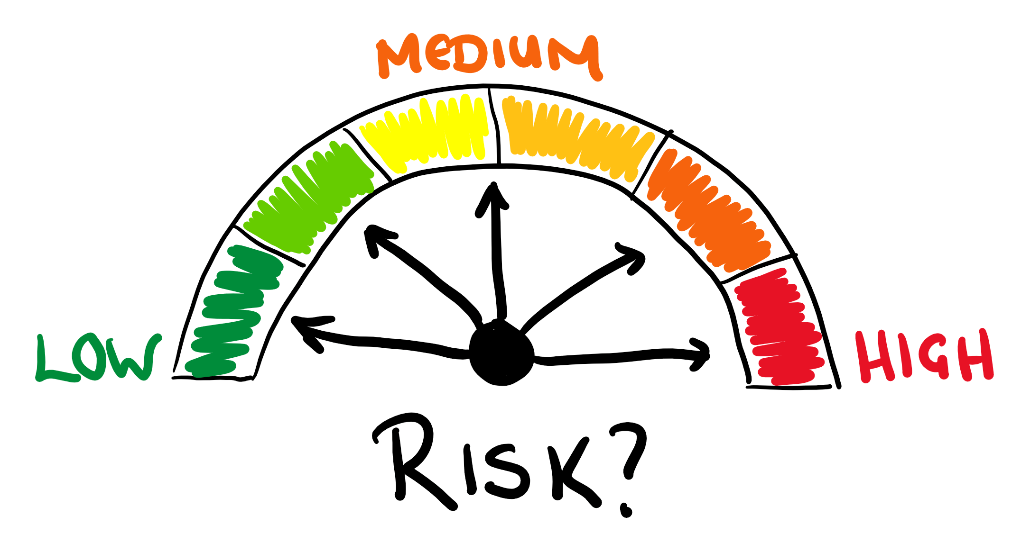
Challenge 30: Risk Analysis
In risk analysis, activities are categorized into various groups according to their likelihood of occurrence and their impact.
The question tables display the count of activities within each groupof likelihood score (L) and consequence score (C). The objective is to extract the number of activities in each risk group, as shown in the result table, following the rules provided below:
Very Low: L<7, C<7, L+C<7
Low: L<9, C<9, L+C<9
Moderate: L<10, C<10, L+C<10
High: L<12, C<12, L+C<12
Very High: Other
 |  |  |  |  |  |  |  |  |  |  |  |  |  | 16 | =LET(cc,C4:C8,dh,D3:H3,ac,D4:H8,s,SCAN(0,{7;9;11;13;19},LAMBDA(a,x,SUM((cc<x)*(dh<x)*(cc+dh<x)*ac))),DROP(s-VSTACK(0,s),-1))
 |  |  |  |  |  |  |  |  | 5 | 3 | 0 | 3 | 5 | 12
 |  |  |  |  |  |  |  |  | 1 | 3 | 3 | 6 | 5 | 25
 |  |  |  |  |  |  |  |  | 4 | 6 | 4 | 6 | 1 | 16
 |  |  |  |  |  |  |  |  | 0 | 6 | 0 | 5 | 4 | 18
 |  |  |  |  |  |  |  |  | 4 | 5 | 6 | 2 | 0

 |  |  |  |  |  |  |  |  |  |  |  |  |  | 16
 |  |  |  |  |  |  |  |  |  |  |  |  |  | 12
 |  |  |  |  |  |  |  |  | TRUE | TRUE | TRUE | TRUE | TRUE | 25
 |  |  |  |  |  |  |  |  | TRUE | TRUE | TRUE | TRUE | FALSE | 16
 |  |  |  |  |  |  |  |  | TRUE | TRUE | TRUE | FALSE | FALSE | 18
 |  |  |  |  |  |  |  |  | TRUE | TRUE | FALSE | FALSE | FALSE
 |  |  |  |  |  |  |  |  | TRUE | FALSE | FALSE | FALSE | FALSE

 |  |  |  |  |  |  |  |  | 5 | 3 | 0 | 3 | 5
 |  |  |  |  |  |  |  |  | 1 | 3 | 3 | 6 | 0
 |  |  |  |  |  |  |  |  | 4 | 6 | 4 | 0 | 0
 |  |  |  |  |  |  |  |  | 0 | 6 | 0 | 0 | 0
 |  |  |  |  |  |  |  |  | 4 | 0 | 0 | 0 | 0

